Sheet1
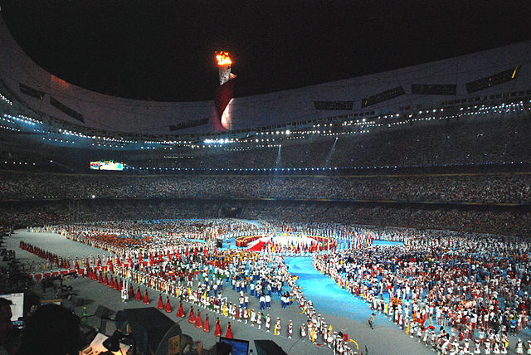
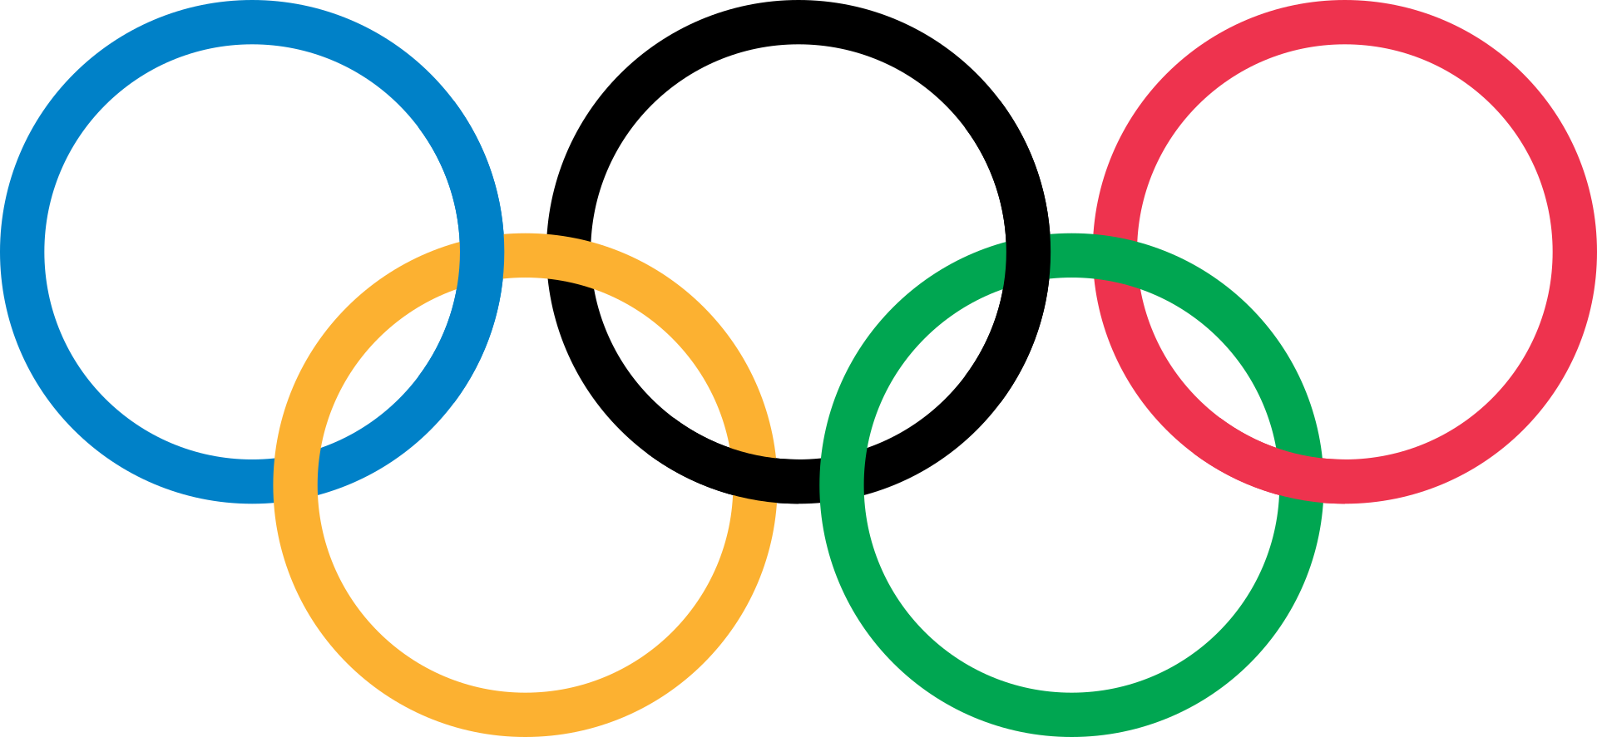
Competition | Date | Already（days）
2008 Beijing Summer Olympic | 2008-08-08 | 4793
2012 London Summer Olympic | 2012-07-27 | 3344
2014 FIFA World Cup | 2014-06-12 | 2659
2016 RIO Summer Olympic | 2016-08-05 | 1874
2018 FIFA World Cup | 2018-06-14 | 1196

